Problem Statement
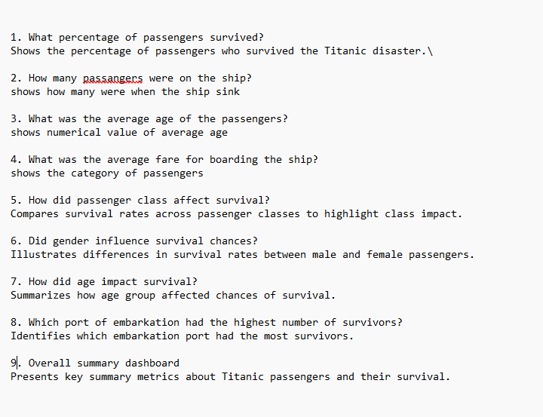

Pivot Tables
Row Labels | Count of Name | Row Labels | Count of survived
Yes | 500 | Cherbourg | 270
Female | 339 | Queenstown | 123
Male | 161 | Southampton | 914
No | 809 | (blank) | 2
Female | 127 | Grand Total | 1309
Male | 682 |  |  |  |  | Row Labels | Count of survived
Grand Total | 1309 |  |  |  |  | Adult | 695
 |  |  |  |  |  | No | 425
 |  |  |  |  |  | Yes | 270
 |  |  |  |  |  | Child | 459
 |  |  |  | Row Labels | Count of survived | No | 291
 |  |  |  | Female | 466 | Yes | 168
Row Labels | Count of Name |  |  | No | 127 | Old | 155
Bronze | 709 |  |  | Yes | 339 | No | 93
Female | 216 |  |  | Male | 843 | Yes | 62
Male | 493 |  |  | No | 682 | Grand Total | 1309
Gold | 323 |  |  | Yes | 161 | Total Passengers | Total Passengers | Survival Rate | Average Age | Average Fare
Female | 144 |  |  | Grand Total | 1309 | 1309 | 1309 | 38.17% | 24 | 33.30
Male | 179
Silver | 277
Female | 106
Male | 171
Grand Total | 1309 |  |  | Row Labels | Count of cabin
 |  |  |  | B57 B59 B63 B66 | 5
 |  |  |  | B96 B98 | 4
Row Labels | Count of Name |  |  | C22 C26 | 4
Bronze | 709 |  |  | C23 C25 C27 | 6
No | 528 |  |  | C78 | 4
Yes | 181 |  |  | D | 4
Gold | 323 |  |  | F2 | 4
No | 123 |  |  | F33 | 4
Yes | 200 |  |  | G6 | 5
Silver | 277 |  |  | N/A | 1015
No | 158 |  |  | Grand Total | 1055
Yes | 119
Grand Total | 1309

Dashboard
Total Passengers 1309
Titanic Passenger Data Analysis
Survival Rate
38.17%
Average Fare $33.30

Survival Rate by Embarked Port
 | Total
Cherbourg | 270
Queenstown | 123
Southampton | 914
(blank) | 2
Survival Rate by Age Group
 | Total
No | 425
Yes | 270
No | 291
Yes | 168
No | 93
Yes | 62
 | Total
Female | 339
Male | 161
Female | 127
Male | 682

Survival Rate by Classes
 | Total
No | 528
Yes | 181
No | 123
Yes | 200
No | 158
Yes | 119

 | Total
Cherbourg | 270
Queenstown | 123
Southampton | 914
(blank) | 2
Survival Rate by Gender
 | Total
No | 127
Yes | 339
No | 682
Yes | 161
Survivors Count
 | Total
Cherbourg | 270
Queenstown | 123
Southampton | 914
(blank) | 3

